Instructions
SALES QUOTA WORKBOOK |  |  |  | v2023.05
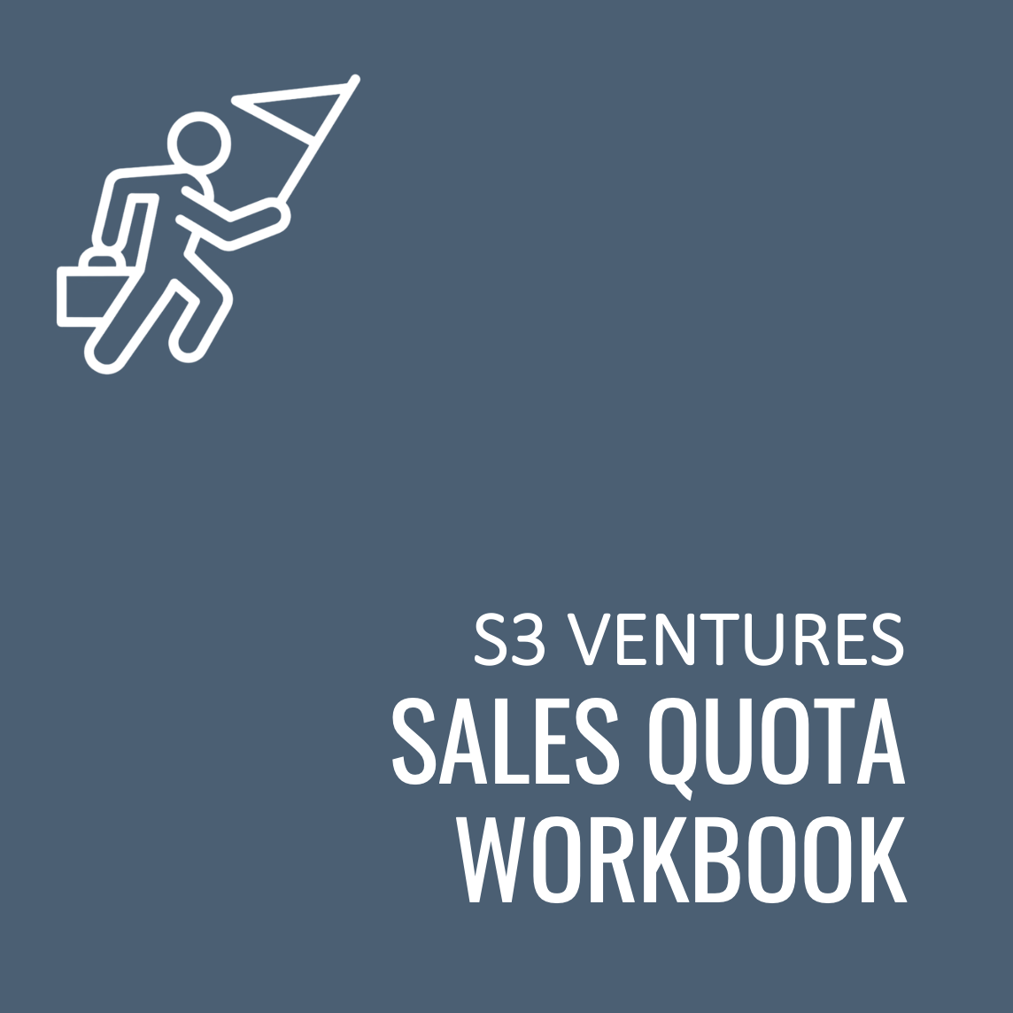
OVERVIEW
 | Use this workbook to: • Build a sales quota capacity plan that supports a bookings plan • Track team quota capacity and achievement by sales rep over time • Generate a summary report for operational reviews and board meetings

 | Use the "Inputs" tab to build your sales quota capacity plan at the beginning of the year and then to track achievement by rep by month.
 | Use the "Output" tab to generate a presentation-ready summary table.

COLOR CODING
 | YELLOW highlighted cells are key inputs that drive formulas and indicate manually entered values.
 | BLACK font indicates the cell's value is derived from a formula.

UPDATE LOG
 | v2023.05
 |  | Initial Version

 |  |  | S3 Ventures is the largest venture capital firm focused on Texas. Backed by a philanthropic, multi-billion dollar family for over fifteen years, we empower great entrepreneurs with the commitment to patient capital and true resources required to grow extraordinary, high-impact companies in Business Technology, Consumer Digital Experiences, and Healthcare Technology.
 |  |  | >> About S3 Ventures
 |  |  | >> Download other helpful resources for entrepreneurs
 |  |  | >> Subscribe to be notified when we release new/updated resources:

These materials and the information provided herein are (i) for informational and discussion purposes only and are not intended to be, and shall not be regarded or construed as, a recommendation for a transaction or investment or financial, tax, legal, or other advice of any kind, and (ii) subject to various disclaimers and limitations that are set forth in our Terms of Use. By accessing these materials and the information provided herein, you agree to our Terms of Use, including, without limitation, all of the disclaimers and limitations set forth therein.
https://www.s3vc.com/terms-of-use

