Cover
CAPITALIZATION TABLE TEMPLATE |  |  |  |  | v2022.03.30
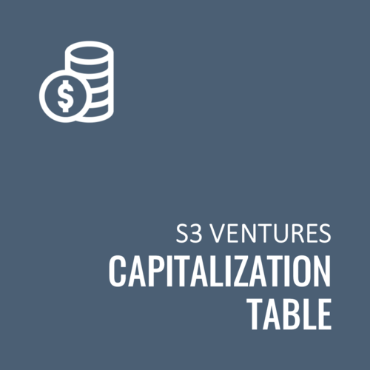
This template will:
 | 1. Help you build and interpret cap tables at different stages of funding
 | 2. Illustrate how ownership changes with valuation in new investment rounds
 | 3. Demonstrate how different funding methods like convertible notes and SAFEs impact a capital structure
 | 4. Make diligence more efficient

INSTRUCTIONS

 | NOTE: This workbook requires Iterative Calculations to be enabled in Excel
 | Navigate to File > Options > Formulas. Under Calculation Options, make sure the Iterative Calculations checbox is selected.

 | Cells in BLUE font are inputs - only enter numbers into these cells.
 | Cells in BLACK font are formulas and should not be altered.
 | Cells in RED font are error checks and will be non-zero if an error is detected.

 | Populate the tabs in the following order:
 | 1. Current Cap Table: Enter the names and types of security holders on your current cap table and the number of common/preferred shares held by each.
 | 2. Option Grant Ledger: Enter details regarding options granted to employees, advisors, consultants, board members, etc.
 | 3. Convertible Securities: Enter details of any SAFEs or convertible notes outstanding. If you do not have any convertible securities, enter zero for the "Principal".
 | 4. Pro Forma Cap Table: Enter details of the next equity financing.

UPDATE LOG
 | v2022.03.30
 |  | Added instructions for adding/removing rows in the Convertible Securities Conversion Table and the Pro Forma Cap Table
 |  | Added instructions detailing the difference between Pre-Money and Post-Money Cap Price Calculations
 |  | Added a toggle to include / exclude the Option Pool Expansion for Pre and Post Money Capitalizations in the Convertible Security Conversion Table
 | v2021.12.15
 |  | Changed convertible security conversion calculations on the Pro Forma Cap Table tab to conform to the Y Combinator definition of post-money SAFE as of 12/2021. |  | https://www.ycombinator.com/documents/
 | v2021.12.01
 |  | Corrected common shares formula on the Pro Forma Cap Table (rows D50-D69) tab to include only common shares vs. all common securities.
 |  | Corrected share price formula (E14) on the Pro Forma Cap Table tab to include existing preferred shares.

 |  |  | S3 Ventures is the largest venture capital firm focused on Texas. Backed by a philanthropic, multi-billion dollar family for over fifteen years, we empower great entrepreneurs with the commitment to patient capital and true resources required to grow extraordinary, high-impact companies in Business Technology, Consumer Digital Experiences, and Healthcare Technology.
 |  |  | >> About S3 Ventures
 |  |  | >> Download other helpful resources for entrepreneurs
 |  |  | >> Subscribe to be notified when we release new/updated resources:

 | Disclosures
 | These materials and the information provided herein are (i) for informational and discussion purposes only and are not intended to be, and shall not be regarded or construed as, a recommendation for a transaction or investment or financial, tax, legal, or other advice of any kind, and (ii) subject to various disclaimers and limitations that are set forth in our Terms of Use. By accessing these materials and the information provided herein, you agree to our Terms of Use, including, without limitation, all of the disclaimers and limitations set forth therein.
 | https://www.s3vc.com/terms-of-use |  |  |  | `

